Sheet1
Deed lease bare land | IMAGE | REMARKS
 | 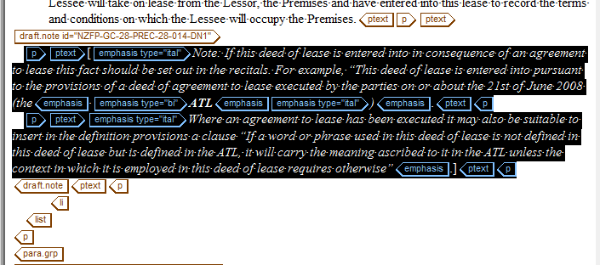 | copy the reference tag
 | 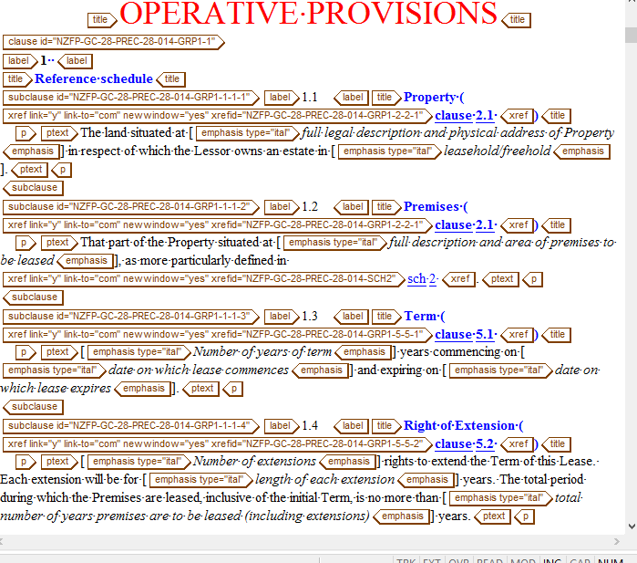 | omit xref from the title tag
 |  | GTS must be in term tag
 |  | Provide xref for this SCHEDULE
 |  | check the word on xref and LA.
 |  | in correst nesting
 | 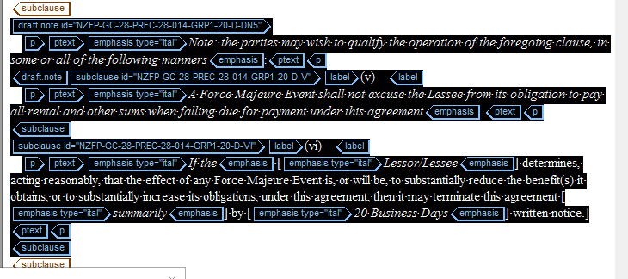 | copy the reference tag
 |  | omit exist text (S) from the xref

